conformal_predictions_MAPIE_plots
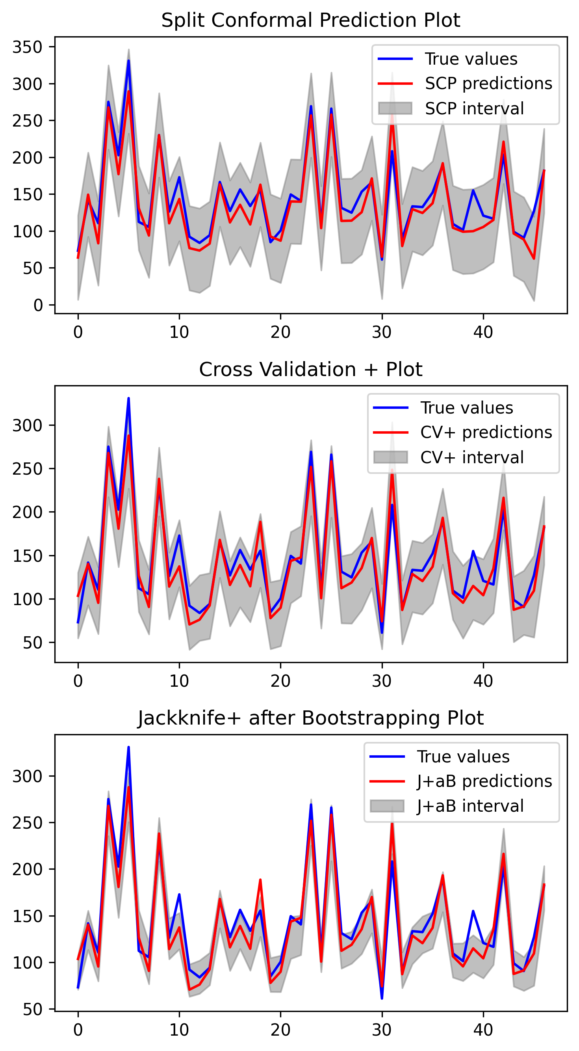

conformal_predictions_PUNCC
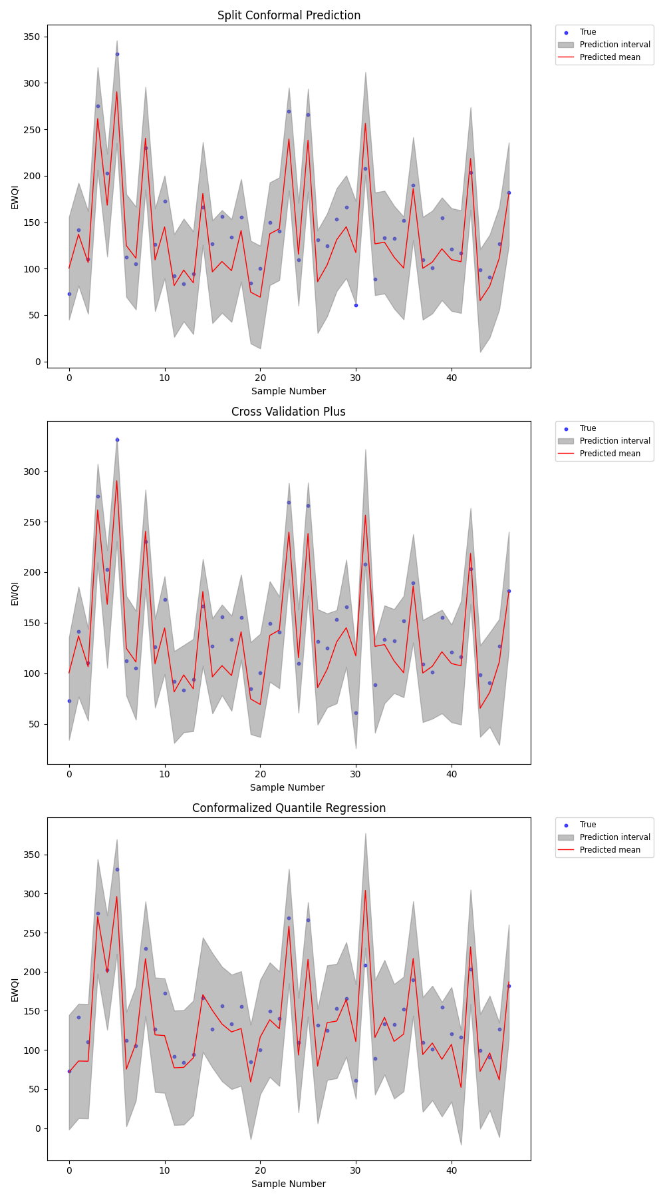

prediction_MAPIE_analysis_2
